Screenshot
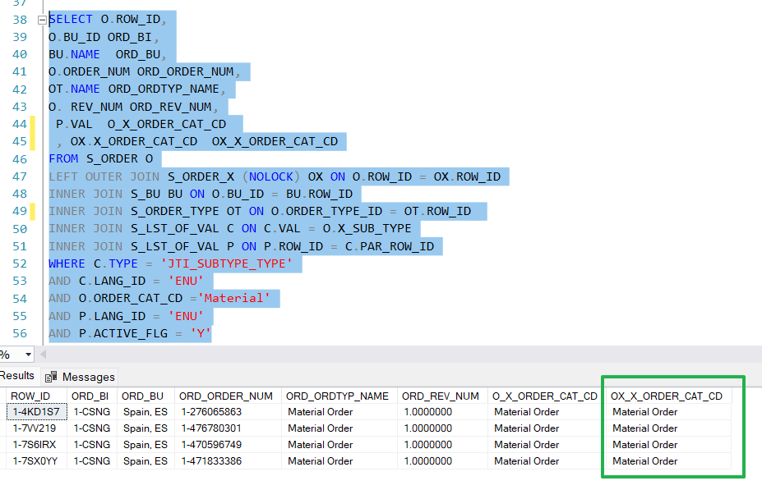
Screenshot 1

Screenshot 2

Screenshot 3

Screenshot 4

Screenshot 5
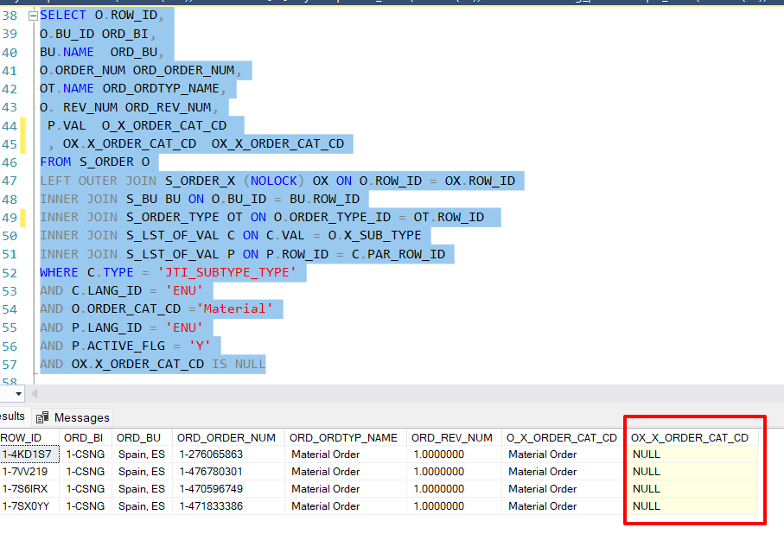

Screenshot 6

Screenshot 7

